pictures
Angle of View & Focal Length measurements

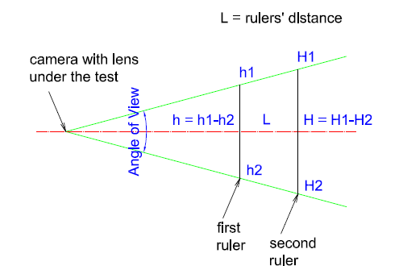

 |  | h=h1-h2 | first ruler height
 |  | H=H1-H2 | second ruler height
 |  | L | distance between rulers

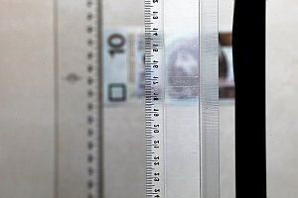
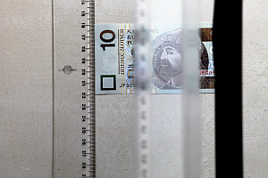

 | first ruler |  |  | second ruler

